Sheet1
Instructions: Pull up the unoffical transcript through MyMC in BannerWeb. Look at the Spring 2020 Semester (Example below) on the transcript. Type the numbers into the blue cells as labled in the example below. In Section 2, ONLY enter the course information for those course you are considering for the Pass/Fail Option. Your GPA will be recalculated in cell B27 and can be used to determine if the Pass/Fail grade will benefit your GPA. NOTE: This is just an estimation tool. Final Official GPAs will be calculated by the Registrar's Office and they will not based on this worksheet. We will not be responsible for incorrectly entered information or errors on this worksheet.

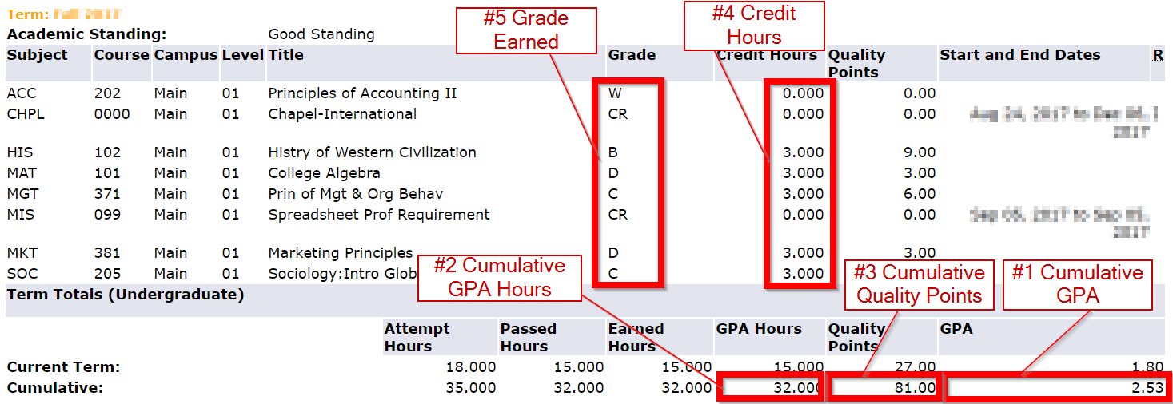

Section 1: Transcript Cumulative Numbers
 | #1 Cumulative GPA | #2 Cumulative GPA Hrs | #3 Cumulative Quality Points | Removed GPA Hours | Removed Quality Points
Current |  |  |  | 0 | 0 | #VALUE!
Recalculated | #VALUE! | #VALUE! | #VALUE!

Section 2: Courses changing to Pass/Fail
Course | #4 Credit Hours | #5 Grade Earned (listed on transcript) | Quality Points removed from GPA calculation |  |  | Credit Hours Final
 |  |  | FALSE
 |  |  | FALSE |  |  | 0
 |  |  | FALSE |  |  | 0
 |  |  | FALSE |  |  | 0
 |  |  | FALSE |  |  | 0
 |  |  | FALSE |  |  | 0
 |  |  | FALSE |  |  | 0
 |  |  | FALSE |  |  | 0
 |  |  | FALSE |  |  | 0
 |  |  | FALSE |  |  | 0

